Profiling data
 | 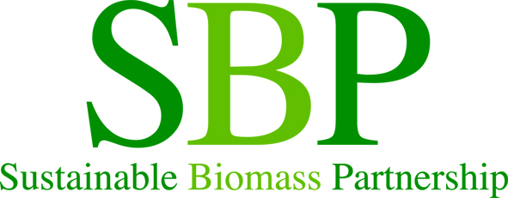 |  |  | SBP Profiling Data

Profiling Data
Sustainable Biomass Partnership Standard 5C 4.1 to 4.3
Each Biomass Producer (BP) shall record data as specified in Instruction Document.5C.
Each BP shall operate a management system to ensure that data recorded is consistently compliant with the requirements specified in this Instruction Document.
As part of their Initial Assessment and ongoing surveillance of BPs, CBs shall verify data completed by a BP to ensure compliance against the requirements set out in this Instruction Document.
BPs shall make data specified in this Instruction Document available in an appropriate form and format to customers and end users of biomass supplied by the Legal Owner.
Please complete all yellow fields.
Company name:
Certificate number:
Associated SDI number(s):

1 |  |  |  |  | Unit | Response | Explanation | SBP Reference | Guidance
 | 1.1 |  | Describe the forestry or land management practices used in the Supply Base where the biomass feedstock was grown |  |  |  |  | ID#5C - 4.1.1
 |  | 1.1.1 | The country of origin of all feedstock |  |  |  |  | ID#5C - 4.2.1
 |  | 1.1.2 | Name the forests or name the region of source at state/county level |  |  |  |  | ID#5C - 4.2.1 | This needs to be more specfic then just country of origin.
 |  | 1.1.3 | Select the forest type which best describes the Supply Base from which you source, if other please state |  |  |  |  | ID#5C - 4.2.1
 |  | 1.1.4 | Please select the harvesting type which best describes how your material is sourced, if other please state |  |  |  |  | ID#5C - 4.2.1
 |  | 1.1.5 | Was the forest in the Supply Base managed for a purpose other than for energy markets? |  |  |  |  | ID#5C - 4.2.1 | There are four options you can select, Yes, Yes-majority, Yes-minority or No. Please only select Yes-majority, Yes-minority or No when there are known cases that the forest was harvested SOLELY for energy purposes, or there are known cases where the forest will not be replanted within 5 years.
 |  | 1.1.6 | For the forests in the Supply Base, is there an intention to retain, restock or encourage natural regeneration within 5 years of felling? |  |  |  |  | ID#5C - 4.2.1
 |  | 1.1.7 | Was the feedstock used in the biomass removed from a forest as part of a pest/disease control measure or a salvage operation? |  |  |  |  | ID#5C - 4.2.1
 | 1.2 |  | Is any of the feedstock used likely to have come from protected or threatened species? |  |  |  |  | ID#5C - 4.2.1
 |  | 1.2.1 | Name of species |  |  |  |  | ID#5C - 4.2.1
 |  | 1.2.2 | Biomass proportion, by weight, that is likey to be composed of that species |  | % |  |  | ID#5C - 4.2.1
 | 1.3 |  | Hardwoods & Softwoods: Specify proportion of biomass from: |  |  |  |  | ID#5C - 4.2.1
 |  | 1.3.1 | "hardwood" (i.e. broadleaf trees) |  | % |  |  | ID#5C - 4.2.1
 |  | 1.3.2 | "softwood" (i.e. coniferous trees) |  | % |  |  | ID#5C - 4.2.1
 | 1.4 |  | Saw Logs: |  |  |  |  | ID#5C - 4.2.1
 |  | 1.4.1 | Proportion of biomass composed of or derived from saw logs |  | % |  |  | ID#5C - 4.2.1
 |  | 1.4.2 | Specify the local regulations or industry standards that define saw logs |  |  |  |  | ID#5C - 4.2.1
 | 1.5 |  | Roundwood from final fellings from forests with > 40 yr rotation times: |  |  |  |  | ID#5C - 4.3 | This is calculated by dividing the volume of round wood supplied to the BP by the total volume of round wood that was harvested in the same year (in the calculation both volumes are excluding wood harvested during thinning) from the Supply Base.
 |  | 1.5.1 | Average % volume of fellings delivered to BP |  | % |  |  | ID#5C - 4.3

Feedstock Description
 |  | SBP Feedstock Description

4.1 Feedstock description
Sustainable Biomass Partnership Standard 5C 4.1
Feedstock shall be described and quantified according to the classification set out in Table 1 in ID 5C section 4.1.3 Table 1.

Company name: | 0 |  | Feedstock Classification | % of total feedstock supplied
Pellet plant name: | 0
Associated SDI number(s): | 0

 |  |  | Total | 0%

